DO NOT DELETE
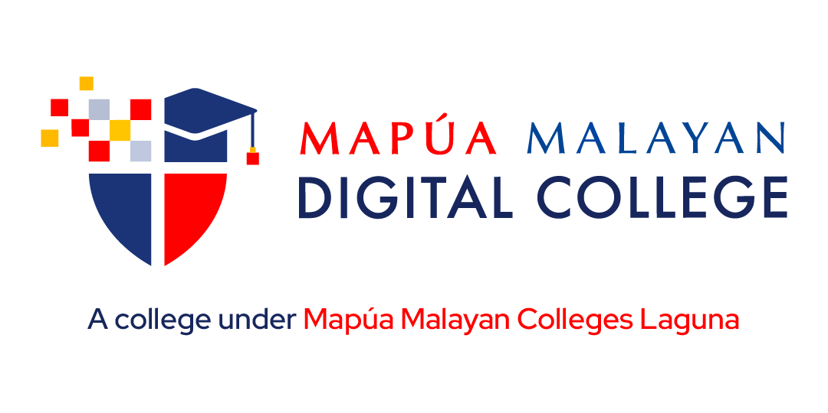

All course materials, including lectures, class recordings, presentations, handouts, assignments, and assessments, are the exclusive property of Mapua-Malayan Digital College and are protected under Republic Act No. 8293, also known as the Intellectual Property Code of the Philippines (IP Code). Unauthorized downloading, copying, reproduction, distribution, or uploading of any part or whole of this material, in any form or medium, is strictly prohibited. Such actions constitute copyright infringement under Sections 172, 177, and 216 of the IP Code and may result in legal consequences. Additionally, students must comply with the Mapua-Malayan Digital College Student Handbook, particularly with the following provisions: * Offenses Related to MMDC IT: - Section 6.2 – Unauthorized copying of files - Section 6.8 – Extraction of protected, copyrighted, and/or confidential information by electronic means using MMDC IT infrastructure * Offenses Related to MMDC Admin, IT, and Operations: - Section 4.5 – Unauthorized collection or extraction of money, checks, or other instruments of monetary equivalent in connection with matters pertaining to MMDC Violations of these policies may result in disciplinary actions ranging from suspension to dismissal, in accordance with the Student Handbook. For permissions or inquiries, please contact MMDC-ISD at isd@mmdc.mcl.edu.ph.

